Molded Styles
Wood Grain

 | COLONIST TEX | CAMDEN

Slab | 6/8, 7/0, 8/0 | 6/8
Bifold | 6/8, 7/0, 8/0 | 6/8

Smooth

 | CARRARA | SANTA-FE | ROCKPORT

Slab | 6/8, 7/0, 8/0 | 6/8, 7/0, 8/0 | 6/8, 7/0, 8/0
Bifold | 6/8, 7/0, 8/0 | 6/8, 7/0, 8/0 | 6/8, 7/0, 8/0

Smooth

 | CRAFTSMAN | MADISON | CONMORE | MONROE | BIRKDALE

Slab | 6/8 & 7/0 | 6/8, 7/0, 8/0 | 6/8, 7/0, 8/0 | 6/8, 7/0, 8/0 | 6/8, 7/0, 8/0
Bifold | 6/8 & 7/0 | 6/8, 7/0, 8/0 | 6/8 & 7/0 | 6/8, 7/0, 8/0 | 6/8 & 7/0

Moulded slabs March 2024
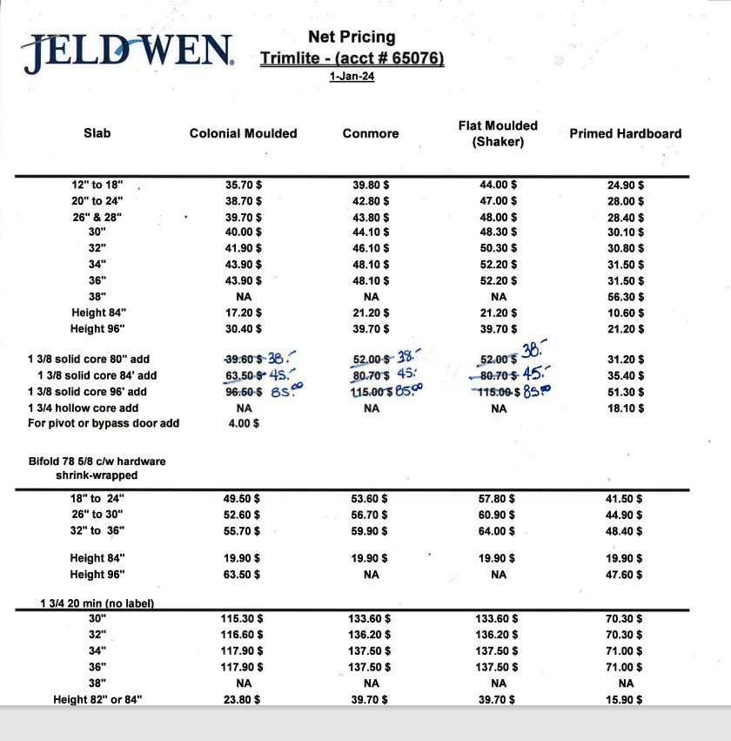
Net Pricing |  |  |  |  |  |  |  |  |  |  |  |  | Net Pricing |  |  |  |  |  |  |  |  |  |  | Net Pricing
Trimlite - (acct # 65076) |  |  |  |  |  |  |  |  |  |  |  |  | Trimlite - (acct # 65076) |  |  |  |  |  |  |  |  |  |  | Trimlite - (acct # 65076)
12-Mar-24 |  |  |  |  |  |  |  |  |  |  |  |  | 4-Jan-22 |  |  |  |  | JANUARY 2022 Adders |  |  | Increase % from June 2021 to January 2022 |  |  | 4-Jan-22
 |  |  |  |  | Calculations
Slab | Colonial Moulded | Conmore | Flat Moulded (Shaker) | Primed Hardboard | 4% |  |  |  | Increase % |  |  |  | Slab | Colonial Moulded | Conmore | Flat Moulded (Shaker) | Primed Hardboard | Colonial Moulded | Flat Moulded (Shaker) | Primed Hardboard | Colonial Moulded | Flat Moulded (Shaker) | Primed Hardboard | Slab | Colonial Moulded | Flat Moulded (Shaker) | Primed Hardboard

12" to 18" | 35.70 $ | 39.80 $ | 44.00 $ | 24.90 $ | 35.70 $ | 39.80 $ | 44.00 $ | 24.90 $ | 4.3% | 4.1% | 4.2% | 4.1% | 12" to 18" | 34.24 $ | 38.24 $ | 42.24 $ | 23.91 $ |  |  |  | 8.98% | 5.40% | 15.01% | 12" to 18" | 31.42 $ | 40.08 $ | 20.79 $
20" to 24" | 38.70 $ | 42.80 $ | 47.00 $ | 28.00 $ | 38.70 $ | 42.80 $ | 47.00 $ | 28.00 $ | 4.2% | 4.0% | 4.1% | 4.1% | 20" to 24" | 37.14 $ | 41.14 $ | 45.14 $ | 26.90 $ |  |  |  | 9.00% | 8.71% | 15.01% | 20" to 24" | 34.07 $ | 41.52 $ | 23.39 $
26" & 28" | 39.70 $ | 43.80 $ | 48.00 $ | 28.40 $ | 39.70 $ | 43.80 $ | 48.00 $ | 28.40 $ | 4.2% | 4.1% | 4.1% | 4.3% | 26" & 28" | 38.09 $ | 42.09 $ | 46.09 $ | 27.23 $ |  |  |  | 9.02% | 10.84% | 15.00% | 26" & 28" | 34.94 $ | 41.58 $ | 23.68 $
30" | 40.00 $ | 44.10 $ | 48.30 $ | 30.10 $ | 40.00 $ | 44.10 $ | 48.30 $ | 30.10 $ | 4.2% | 4.0% | 4.1% | 4.2% | 30" | 38.40 $ | 42.40 $ | 46.40 $ | 28.90 $ |  |  |  | 9.00% | 9.16% | 15.04% | 30" | 35.23 $ | 42.50 $ | 25.12 $
32" | 41.90 $ | 46.10 $ | 50.30 $ | 30.80 $ | 41.90 $ | 46.10 $ | 50.30 $ | 30.80 $ | 4.0% | 4.1% | 4.2% | 4.2% | 32" | 40.29 $ | 44.29 $ | 48.29 $ | 29.56 $ |  |  |  | 9.00% | 11.19% | 15.03% | 32" | 36.96 $ | 43.43 $ | 25.70 $
34" | 43.90 $ | 48.10 $ | 52.20 $ | 31.50 $ | 43.90 $ | 48.10 $ | 52.20 $ | 31.50 $ | 4.1% | 4.2% | 4.0% | 4.2% | 34" | 42.17 $ | 46.17 $ | 50.17 $ | 30.22 $ |  |  |  | 9.00% | 11.53% | 15.01% | 34" | 38.69 $ | 44.99 $ | 26.28 $
36" | 43.90 $ | 48.10 $ | 52.20 $ | 31.50 $ | 43.90 $ | 48.10 $ | 52.20 $ | 31.50 $ | 4.1% | 4.2% | 4.0% | 4.2% | 36" | 42.17 $ | 46.17 $ | 50.17 $ | 30.22 $ |  |  |  | 9.00% | 11.53% | 15.01% | 36" | 38.69 $ | 44.99 $ | 26.28 $
38'' | NA | NA | NA | 56.30 $ | 0.00 $ | 0.00 $ | 0.00 $ | 56.30 $ |  |  |  | 4.0% | 38'' | N/A | N/A | N/A | 54.13 $ |  |  |  |  |  | 15.00% | 38'' | N/A | N/A | 47.07 $
Height 84" | 17.20 $ | 21.20 $ | 21.20 $ | 10.60 $ | 17.20 $ | 21.20 $ | 21.20 $ | 10.60 $ | 4.1% | 4.3% | 4.3% | 4.3% | Height 84" | 16.52 $ | 20.33 $ | 20.33 $ | 10.16 $ | 16.52 $ | 20.33 $ | 10.16 $ | 10.00% | 10.00% | 10.00% | Height 84" | 15.02 $ | 18.48 $ | 9.24 $
Height 96" | 30.40 $ | 39.70 $ | 39.70 $ | 21.20 $ | 30.40 $ | 39.70 $ | 39.70 $ | 21.20 $ | 4.0% | 4.2% | 4.2% | 4.3% | Height 96" | 29.22 $ | 38.12 $ | 38.12 $ | 20.33 $ | 29.22 $ | 38.12 $ | 20.33 $ | 10.00% | 10.00% | 10.00% | Height 96" | 26.57 $ | 34.65 $ | 18.48 $
 |  |  |  |  | 0.00 $ | 0.00 $ | 0.00 $ | 0.00 $
1 3/8 solid core 80'' add | 38.00 $ | 38.00 $ | 38.00 $ | 31.20 $ | 39.60 $ | 52.00 $ | 52.00 $ | 31.20 $ | 0.0% | -24.0% | -24.0% | 4.0% | 1 3/8 solid core 80'' add | 38.00 $ | 50.00 $ | 50.00 $ | 30.00 $ | 37.77 $ | 50.36 $ | 29.90 $ | 9.67% | 8.23% | 9.36% | 1 3/8 solid core 80'' add | 34.65 $ | 46.20 $ | 27.43 $
1 3/8 solid core 84' add | 45.00 $ | 45.00 $ | 45.00 $ | 35.40 $ | 63.50 $ | 80.70 $ | 80.70 $ | 35.40 $ | -26.2% | -41.9% | -41.9% | 4.2% | 1 3/8 solid core 84' add | 60.98 $ | 77.50 $ | 77.50 $ | 33.99 $ | 60.98 $ | 77.50 $ | 33.99 $ | 10.00% | 10.00% | 10.00% | 1 3/8 solid core 84' add | 55.44 $ | 70.46 $ | 30.90 $
1 3/8 solid core 96' add | 85.00 $ | 85.00 $ | 85.00 $ | 51.30 $ | 96.50 $ | 115.00 $ | 115.00 $ | 51.30 $ | -8.4% | -23.1% | -23.1% | 4.2% | 1 3/8 solid core 96' add | 92.75 $ | 110.53 $ | 110.53 $ | 49.23 $ | 92.75 $ | 110.53 $ | 49.23 $ | 10.00% | 10.00% | 10.00% | 1 3/8 solid core 96' add | 84.32 $ | 100.49 $ | 44.76 $
1 3/4 hollow core add | NA | NA | NA | 18.10 $ | 0.00 $ | 0.00 $ | 0.00 $ | 18.10 $ |  |  |  | 4.5% | 1 3/4 hollow core add | N/A | N/A | N/A | 17.33 $ |  |  | 17.33 $ |  |  | 10.00% | 1 3/4 hollow core add | N/A | N/A | 15.75 $
For pivot or bypass door add : $3.59 | 4.00 $ |  |  |  | 0.00 $ | 0.00 $ | 0.00 $ | 0.00 $ |  |  |  |  | For pivot or bypass door add : $3.59 |  |  |  |  | 3.59 |  |  |  |  |  | For pivot or bypass door add : $3.29
 |  |  |  |  | 12% | 0.00 $ | 0.00 $ | 0.00 $
Bifold 78 5/8 c/w hardware shrink-wrapped |  |  |  |  | 0.00 $ | 0.00 $ | 0.00 $ | 0.00 $ |  |  |  |  | Bifold 78 5/8 c/w hardware shrink-wrapped |  |  |  |  |  |  |  |  |  |  | Bifold 78 5/8 c/w hardware shrink-wrapped
18" to 24" | 49.50 $ | 53.60 $ | 57.80 $ | 41.50 $ | 49.50 $ | 53.60 $ | 57.80 $ | 41.50 $ | 4.1% | 4.0% | 4.1% | 4.1% | 18" to 24" | 47.53 $ | 51.53 $ | 55.53 $ | 39.85 $ |  |  |  | 9.01% | 4.86% | 15.01% | 18" to 24" | 43.60 $ | 52.96 $ | 34.65 $
26" to 30" | 52.60 $ | 56.70 $ | 60.90 $ | 44.90 $ | 52.60 $ | 56.70 $ | 60.90 $ | 44.90 $ | 4.2% | 4.1% | 4.1% | 4.0% | 26" to 30" | 50.48 $ | 54.48 $ | 58.48 $ | 43.17 $ |  |  |  | 9.00% | 2.60% | 15.00% | 26" to 30" | 46.32 $ | 57.00 $ | 37.54 $
32" to 36" | 55.70 $ | 59.90 $ | 64.00 $ | 48.40 $ | 55.70 $ | 59.90 $ | 64.00 $ | 48.40 $ | 4.1% | 4.2% | 4.1% | 4.1% | 32" to 36" | 53.51 $ | 57.51 $ | 61.51 $ | 46.49 $ |  |  |  | 9.00% | 2.60% | 15.00% | 32" to 36" | 49.09 $ | 59.94 $ | 40.43 $
 |  |  |  |  | 0.00 $ | 0.00 $ | 0.00 $ | 0.00 $
Height 84" | 19.90 $ | 19.90 $ | 19.90 $ | 19.90 $ | 19.90 $ | 19.90 $ | 19.90 $ | 19.90 $ | 4.4% | 4.4% | 4.4% | 4.4% | Height 84" | 19.06 $ | 19.06 $ | 19.06 $ | 19.06 $ | 19.06 $ | 19.06 $ | 19.06 $ | 10.00% | 10.00% | 10.00% | Height 84" | 17.33 $ | 17.33 $ | 17.33 $
Height 96" | 63.50 $ | NA | NA | 47.60 $ | 63.50 $ | 0.00 $ | 0.00 $ | 47.60 $ | 4.1% |  |  | 4.1% | Height 96" | 60.98 $ | N/A | N/A | 45.74 $ | 60.98 $ |  | 45.74 $ | 10.00% |  | 10.00% | Height 96" | 55.44 $ | N/A | 41.58 $
 |  |  |  |  | 0.00 $ | 0.00 $ | 0.00 $ | 0.00 $
1 3/4 20 min (no label) |  |  |  |  | 0.00 $ | 0.00 $ | 0.00 $ | 0.00 $ |  |  |  |  | 1 3/4 20 min (no label) |  |  |  |  |  |  |  |  |  |  | 1 3/4 20 min (no label)
30" | 115.30 $ | 133.60 $ | 133.60 $ | 70.30 $ | 115.30 $ | 133.60 $ | 133.60 $ | 70.30 $ | 4.1% | 4.0% | 4.0% | 4.1% | 30" | 110.79 $ | 128.41 $ | 128.41 $ | 67.56 $ |  |  |  | 9.00% | 9.00% | 12.49% | 30" | 101.64 $ | 117.81 $ | 60.06 $
32" | 116.60 $ | 136.20 $ | 136.20 $ | 70.30 $ | 116.60 $ | 136.20 $ | 136.20 $ | 70.30 $ | 4.1% | 4.0% | 4.0% | 4.1% | 32" | 112.05 $ | 130.93 $ | 130.93 $ | 67.56 $ |  |  |  | 9.00% | 9.00% | 8.32% | 32" | 102.80 $ | 120.12 $ | 62.37 $
34" | 117.90 $ | 137.50 $ | 137.50 $ | 71.00 $ | 117.90 $ | 137.50 $ | 137.50 $ | 71.00 $ | 4.1% | 4.0% | 4.0% | 4.1% | 34" | 113.31 $ | 132.19 $ | 132.19 $ | 68.22 $ |  |  |  | 9.00% | 9.00% | 5.47% | 34" | 103.95 $ | 121.28 $ | 64.68 $
36" | 117.90 $ | 137.50 $ | 137.50 $ | 71.00 $ | 117.90 $ | 137.50 $ | 137.50 $ | 71.00 $ | 4.1% | 4.0% | 4.0% | 4.1% | 36" | 113.31 $ | 132.19 $ | 132.19 $ | 68.22 $ |  |  |  | 9.00% | 9.00% | 5.47% | 36" | 103.95 $ | 121.28 $ | 64.68 $
38'' | NA | NA | NA | 103.95 $ | 0.00 $ | 0.00 $ | 0.00 $ | 0.00 $ |  |  |  |  | 38'' | N/A | N/A | N/A | N/A |  |  |  |  |  |  | 38'' | N/A | N/A | N/A
Height 82" or 84" | 23.80 $ | 39.70 $ | 39.70 $ | 15.90 $ | 23.80 $ | 39.70 $ | 39.70 $ | 15.90 $ | 4.1% | 4.2% | 4.2% | 4.3% | Height 82" or 84" | 22.87 $ | 38.12 $ | 38.12 $ | 15.25 $ | 22.87 $ | 38.12 $ | 15.25 $ | 10.00% | 10.00% | 10.00% | Height 82" or 84" | 20.79 $ | 34.65 $ | 13.86 $
Height 96" | 39.70 $ | 79.30 $ | 79.30 $ | 37.00 $ | 39.70 $ | 79.30 $ | 79.30 $ | 37.00 $ | 4.2% | 4.0% | 4.0% | 4.0% | Height 96" | 38.12 $ | 76.23 $ | 76.23 $ | 35.57 $ | 38.12 $ | 76.23 $ | 35.57 $ | 10.00% | 10.00% | 10.00% | Height 96" | 34.65 $ | 69.30 $ | 32.34 $
 |  |  |  |  |  |  |  |  |  |  |  |  |  |  |  |  |  |  |  |  |  |  |  |  |  |  |  | 5.75
Less than 5 per size add $6.60 |  |  |  |  | 6.60 |  |  |  | 4.8% |  |  |  | Less than 5 per size add $6.30 |  |  |  |  | 6.30 |  |  | 9.57% |  |  | Less than 5 per size add $5.75 |  |  |  | 18.48
20 Min Laballed + Machined (3 hinges+Cyl lock): $21.20 |  |  |  |  | 21.20 |  |  |  | 4.3% |  |  |  | 20 Min Laballed + Machined (3 hinges+Cyl lock): $20.33 |  |  |  |  | 20.33 |  |  | 10.00% |  |  | 20 Min Laballed + Machined (3 hinges+Cyl lock): $18.48 |  |  |  | 46.2
 |  |  |  |  | 52.90 |  |  |  | 4.1% |  |  |  | (Executive door cannot be produced in 20 min. fire rated ) |  |  |  |  | 50.82 $ |  |  | 10.00% |  |  | (Executive door cannot be produced in 20 min. fire rated )
Off standard for slab, bifold & procore 1 3/8 or 13/4 add : $52.90 |  |  |  |  | 0.00 |  |  |  |  |  |  |  | Off standard for slab, bifold & procore 1 3/8 or 13/4 add : $50.82 |  |  |  |  |  |  |  |  |  |  | Off standard for slab, bifold & procore 1 3/8 or 13/4 add : $46.20

Adders March 2024
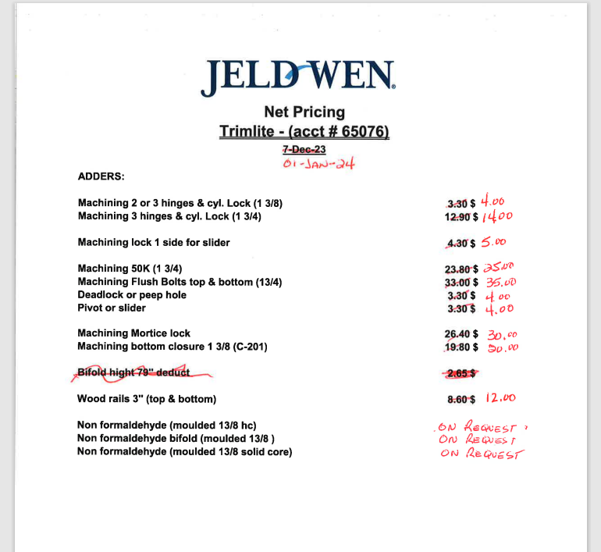
Net Pricing |  |  |  | Net Pricing |  |  |  | Net Pricing
Trimlite - (acct # 65076) |  |  |  | Trimlite - (acct # 65076) |  |  |  | Trimlite - (acct # 65076)
1-Jan-24 |  |  |  | 4-Jan-22 |  |  |  | 14-Jun-21
 |  | Increase % |  |  |  | CALCULATIONS | Increase %
ADDERS: |  |  |  | ADDERS: |  |  |  | ADDERS:

Machining 2 or 3 hinges & cyl. Lock (1 3/8) | 4.00 $ | 26% | $4.00 | Machining 2 or 3 hinges & cyl. Lock (1 3/8) | 3.18 $ | 3.18 $ | 10% | Machining 2 or 3 hinges & cyl. Lock (1 3/8) | 2.89 $
Machining 3 hinges & cyl. Lock (1 3/4) | 14.00 $ | 13% | $14.00 | Machining 3 hinges & cyl. Lock (1 3/4) | 12.39 $ | 12.39 $ | 10% | Machining 3 hinges & cyl. Lock (1 3/4) | 11.26 $
 |  |  | $-
Machining lock 1 side for slider | 5.00 $ | 21% | $5.00 | Machining lock 1 side for slider | 4.13 $ | 4.13 $ | 10% | Machining lock 1 side for slider | 3.75 $
 |  |  | $-
Machining 50K (1 3/4) | 25.00 $ | 9% | $25.00 | Machining 50K (1 3/4) | 22.87 $ | 22.87 $ | 10% | Machining 50K (1 3/4) | 20.79 $
Machining Flush Bolts top & bottom (13/4) | 35.00 $ | 10% | $35.00 | Machining Flush Bolts top & bottom (13/4) | 31.76 $ | 31.76 $ | 10% | Machining Flush Bolts top & bottom (13/4) | 28.88 $
Deadlock or peep hole | 4.00 $ | 26% | $4.00 | Deadlock or peep hole | 3.18 $ | 3.18 $ | 10% | Deadlock or peep hole | 2.89 $
Pivot or slider | 4.00 $ | 26% | $4.00 | Pivot or slider | 3.18 $ | 3.18 $ | 10% | Pivot or slider | 2.89 $
 |  |  | $-
Machining Mortice lock | 30.00 $ | 18% | $30.00 | Machining Mortice lock | 25.41 $ | 25.41 $ | 10% | Machining Mortice lock | 23.10 $
Machining bottom closure 1 3/8 (C-201) | 20.00 $ | 5% | $20.00 | Machining bottom closure 1 3/8 (C-201) | 19.06 $ | 19.06 $ | 10% | Machining bottom closure 1 3/8 (C-201) | 17.33 $
 |  |  | $-
 |  |  | $-
Wood rails 3'' (top & bottom) | 12.00 $ | 45% | $12.00 | Wood rails 3'' (top & bottom) | 8.26 $ | 8.26 $ | 10% | Wood rails 3'' (top & bottom) | 7.51 $
 |  |  | $-
Non formaldehyde (moulded 13/8 hc) | On Request |  | $- | Non formaldehyde (moulded 13/8 hc) | 6.35 $ | 6.35 $ | 10% | Non formaldehyde (moulded 13/8 hc) | 5.78 $
Non formaldehyde bifold (moulded 13/8 ) | On Request |  | $- | Non formaldehyde bifold (moulded 13/8 ) | 15.25 $ | 15.25 $ | 10% | Non formaldehyde bifold (moulded 13/8 ) | 13.86 $
Non formaldehyde (moulded 13/8 solid core) | On Request |  | $- | Non formaldehyde (moulded 13/8 solid core) | Call For Quote |  |  | Non formaldehyde (moulded 13/8 solid core) | on request

 |  |  |  |  |  |  |  | Reversible Unit, Eazy-In FJ Pine jamb
 |  |  |  |  |  |  |  | 4 9/16 : | 34.65 $
 |  |  |  |  |  |  |  | 5 1/2 : | 43.89 $
 |  |  |  |  |  |  |  | 6 9/16 : | 63.53 $

 |  |  |  |  |  |  |  | #DIV/0!
 |  |  |  |  |  |  |  | #DIV/0!
 |  |  |  |  |  |  |  | #DIV/0!

Moulded slabs Dec 2023
Net Pricing |  |  |  |  |  |  |  |  |  |  |  |  | Net Pricing |  |  |  |  |  |  |  |  |  |  | Net Pricing
Trimlite - (acct # 65076) |  |  |  |  |  |  |  |  |  |  |  |  | Trimlite - (acct # 65076) |  |  |  |  |  |  |  |  |  |  | Trimlite - (acct # 65076)
1-Jan-24 |  |  |  |  |  |  |  |  |  |  |  |  | 4-Jan-22 |  |  |  |  | JANUARY 2022 Adders |  |  | Increase % from June 2021 to January 2022 |  |  | 4-Jan-22
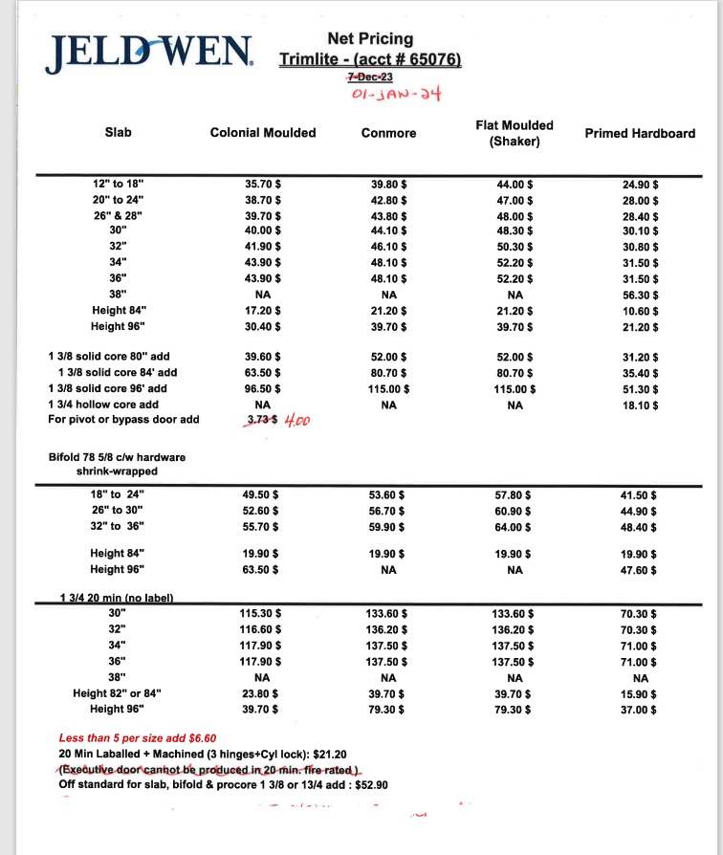
 |  |  |  |  | Calculations
Slab | Colonial Moulded | Conmore | Flat Moulded (Shaker) | Primed Hardboard | 4% |  |  |  | Increase % |  |  |  | Slab | Colonial Moulded | Conmore | Flat Moulded (Shaker) | Primed Hardboard | Colonial Moulded | Flat Moulded (Shaker) | Primed Hardboard | Colonial Moulded | Flat Moulded (Shaker) | Primed Hardboard | Slab | Colonial Moulded | Flat Moulded (Shaker) | Primed Hardboard

12" to 18" | 35.70 $ | 39.80 $ | 44.00 $ | 24.90 $ | 35.70 $ | 39.80 $ | 44.00 $ | 24.90 $ | 4.3% | 4.1% | 4.2% | 4.1% | 12" to 18" | 34.24 $ | 38.24 $ | 42.24 $ | 23.91 $ |  |  |  | 8.98% | 5.40% | 15.01% | 12" to 18" | 31.42 $ | 40.08 $ | 20.79 $
20" to 24" | 38.70 $ | 42.80 $ | 47.00 $ | 28.00 $ | 38.70 $ | 42.80 $ | 47.00 $ | 28.00 $ | 4.2% | 4.0% | 4.1% | 4.1% | 20" to 24" | 37.14 $ | 41.14 $ | 45.14 $ | 26.90 $ |  |  |  | 9.00% | 8.71% | 15.01% | 20" to 24" | 34.07 $ | 41.52 $ | 23.39 $
26" & 28" | 39.70 $ | 43.80 $ | 48.00 $ | 28.40 $ | 39.70 $ | 43.80 $ | 48.00 $ | 28.40 $ | 4.2% | 4.1% | 4.1% | 4.3% | 26" & 28" | 38.09 $ | 42.09 $ | 46.09 $ | 27.23 $ |  |  |  | 9.02% | 10.84% | 15.00% | 26" & 28" | 34.94 $ | 41.58 $ | 23.68 $
30" | 40.00 $ | 44.10 $ | 48.30 $ | 30.10 $ | 40.00 $ | 44.10 $ | 48.30 $ | 30.10 $ | 4.2% | 4.0% | 4.1% | 4.2% | 30" | 38.40 $ | 42.40 $ | 46.40 $ | 28.90 $ |  |  |  | 9.00% | 9.16% | 15.04% | 30" | 35.23 $ | 42.50 $ | 25.12 $
32" | 41.90 $ | 46.10 $ | 50.30 $ | 30.80 $ | 41.90 $ | 46.10 $ | 50.30 $ | 30.80 $ | 4.0% | 4.1% | 4.2% | 4.2% | 32" | 40.29 $ | 44.29 $ | 48.29 $ | 29.56 $ |  |  |  | 9.00% | 11.19% | 15.03% | 32" | 36.96 $ | 43.43 $ | 25.70 $
34" | 43.90 $ | 48.10 $ | 52.20 $ | 31.50 $ | 43.90 $ | 48.10 $ | 52.20 $ | 31.50 $ | 4.1% | 4.2% | 4.0% | 4.2% | 34" | 42.17 $ | 46.17 $ | 50.17 $ | 30.22 $ |  |  |  | 9.00% | 11.53% | 15.01% | 34" | 38.69 $ | 44.99 $ | 26.28 $
36" | 43.90 $ | 48.10 $ | 52.20 $ | 31.50 $ | 43.90 $ | 48.10 $ | 52.20 $ | 31.50 $ | 4.1% | 4.2% | 4.0% | 4.2% | 36" | 42.17 $ | 46.17 $ | 50.17 $ | 30.22 $ |  |  |  | 9.00% | 11.53% | 15.01% | 36" | 38.69 $ | 44.99 $ | 26.28 $
38'' | NA | NA | NA | 56.30 $ | 0.00 $ | 0.00 $ | 0.00 $ | 56.30 $ |  |  |  | 4.0% | 38'' | N/A | N/A | N/A | 54.13 $ |  |  |  |  |  | 15.00% | 38'' | N/A | N/A | 47.07 $
Height 84" | 17.20 $ | 21.20 $ | 21.20 $ | 10.60 $ | 17.20 $ | 21.20 $ | 21.20 $ | 10.60 $ | 4.1% | 4.3% | 4.3% | 4.3% | Height 84" | 16.52 $ | 20.33 $ | 20.33 $ | 10.16 $ | 16.52 $ | 20.33 $ | 10.16 $ | 10.00% | 10.00% | 10.00% | Height 84" | 15.02 $ | 18.48 $ | 9.24 $
Height 96" | 30.40 $ | 39.70 $ | 39.70 $ | 21.20 $ | 30.40 $ | 39.70 $ | 39.70 $ | 21.20 $ | 4.0% | 4.2% | 4.2% | 4.3% | Height 96" | 29.22 $ | 38.12 $ | 38.12 $ | 20.33 $ | 29.22 $ | 38.12 $ | 20.33 $ | 10.00% | 10.00% | 10.00% | Height 96" | 26.57 $ | 34.65 $ | 18.48 $
 |  |  |  |  | 0.00 $ | 0.00 $ | 0.00 $ | 0.00 $
1 3/8 solid core 80'' add | 39.60 $ | 52.00 $ | 52.00 $ | 31.20 $ | 39.60 $ | 52.00 $ | 52.00 $ | 31.20 $ | 4.2% | 4.0% | 4.0% | 4.0% | 1 3/8 solid core 80'' add | 38.00 $ | 50.00 $ | 50.00 $ | 30.00 $ | 37.77 $ | 50.36 $ | 29.90 $ | 9.67% | 8.23% | 9.36% | 1 3/8 solid core 80'' add | 34.65 $ | 46.20 $ | 27.43 $
1 3/8 solid core 84' add | 63.50 $ | 80.70 $ | 80.70 $ | 35.40 $ | 63.50 $ | 80.70 $ | 80.70 $ | 35.40 $ | 4.1% | 4.1% | 4.1% | 4.2% | 1 3/8 solid core 84' add | 60.98 $ | 77.50 $ | 77.50 $ | 33.99 $ | 60.98 $ | 77.50 $ | 33.99 $ | 10.00% | 10.00% | 10.00% | 1 3/8 solid core 84' add | 55.44 $ | 70.46 $ | 30.90 $
1 3/8 solid core 96' add | 96.50 $ | 115.00 $ | 115.00 $ | 51.30 $ | 96.50 $ | 115.00 $ | 115.00 $ | 51.30 $ | 4.0% | 4.0% | 4.0% | 4.2% | 1 3/8 solid core 96' add | 92.75 $ | 110.53 $ | 110.53 $ | 49.23 $ | 92.75 $ | 110.53 $ | 49.23 $ | 10.00% | 10.00% | 10.00% | 1 3/8 solid core 96' add | 84.32 $ | 100.49 $ | 44.76 $
1 3/4 hollow core add | NA | NA | NA | 18.10 $ | 0.00 $ | 0.00 $ | 0.00 $ | 18.10 $ |  |  |  | 4.5% | 1 3/4 hollow core add | N/A | N/A | N/A | 17.33 $ |  |  | 17.33 $ |  |  | 10.00% | 1 3/4 hollow core add | N/A | N/A | 15.75 $
For pivot or bypass door add : $3.59 | 4.00 $ |  |  |  | 0.00 $ | 0.00 $ | 0.00 $ | 0.00 $ |  |  |  |  | For pivot or bypass door add : $3.59 |  |  |  |  | 3.59 |  |  |  |  |  | For pivot or bypass door add : $3.29
 |  |  |  |  | 12% | 0.00 $ | 0.00 $ | 0.00 $
Bifold 78 5/8 c/w hardware shrink-wrapped |  |  |  |  | 0.00 $ | 0.00 $ | 0.00 $ | 0.00 $ |  |  |  |  | Bifold 78 5/8 c/w hardware shrink-wrapped |  |  |  |  |  |  |  |  |  |  | Bifold 78 5/8 c/w hardware shrink-wrapped
18" to 24" | 49.50 $ | 53.60 $ | 57.80 $ | 41.50 $ | 49.50 $ | 53.60 $ | 57.80 $ | 41.50 $ | 4.1% | 4.0% | 4.1% | 4.1% | 18" to 24" | 47.53 $ | 51.53 $ | 55.53 $ | 39.85 $ |  |  |  | 9.01% | 4.86% | 15.01% | 18" to 24" | 43.60 $ | 52.96 $ | 34.65 $
26" to 30" | 52.60 $ | 56.70 $ | 60.90 $ | 44.90 $ | 52.60 $ | 56.70 $ | 60.90 $ | 44.90 $ | 4.2% | 4.1% | 4.1% | 4.0% | 26" to 30" | 50.48 $ | 54.48 $ | 58.48 $ | 43.17 $ |  |  |  | 9.00% | 2.60% | 15.00% | 26" to 30" | 46.32 $ | 57.00 $ | 37.54 $
32" to 36" | 55.70 $ | 59.90 $ | 64.00 $ | 48.40 $ | 55.70 $ | 59.90 $ | 64.00 $ | 48.40 $ | 4.1% | 4.2% | 4.1% | 4.1% | 32" to 36" | 53.51 $ | 57.51 $ | 61.51 $ | 46.49 $ |  |  |  | 9.00% | 2.60% | 15.00% | 32" to 36" | 49.09 $ | 59.94 $ | 40.43 $
 |  |  |  |  | 0.00 $ | 0.00 $ | 0.00 $ | 0.00 $
Height 84" | 19.90 $ | 19.90 $ | 19.90 $ | 19.90 $ | 19.90 $ | 19.90 $ | 19.90 $ | 19.90 $ | 4.4% | 4.4% | 4.4% | 4.4% | Height 84" | 19.06 $ | 19.06 $ | 19.06 $ | 19.06 $ | 19.06 $ | 19.06 $ | 19.06 $ | 10.00% | 10.00% | 10.00% | Height 84" | 17.33 $ | 17.33 $ | 17.33 $
Height 96" | 63.50 $ | NA | NA | 47.60 $ | 63.50 $ | 0.00 $ | 0.00 $ | 47.60 $ | 4.1% |  |  | 4.1% | Height 96" | 60.98 $ | N/A | N/A | 45.74 $ | 60.98 $ |  | 45.74 $ | 10.00% |  | 10.00% | Height 96" | 55.44 $ | N/A | 41.58 $
 |  |  |  |  | 0.00 $ | 0.00 $ | 0.00 $ | 0.00 $
1 3/4 20 min (no label) |  |  |  |  | 0.00 $ | 0.00 $ | 0.00 $ | 0.00 $ |  |  |  |  | 1 3/4 20 min (no label) |  |  |  |  |  |  |  |  |  |  | 1 3/4 20 min (no label)
30" | 115.30 $ | 133.60 $ | 133.60 $ | 70.30 $ | 115.30 $ | 133.60 $ | 133.60 $ | 70.30 $ | 4.1% | 4.0% | 4.0% | 4.1% | 30" | 110.79 $ | 128.41 $ | 128.41 $ | 67.56 $ |  |  |  | 9.00% | 9.00% | 12.49% | 30" | 101.64 $ | 117.81 $ | 60.06 $
32" | 116.60 $ | 136.20 $ | 136.20 $ | 70.30 $ | 116.60 $ | 136.20 $ | 136.20 $ | 70.30 $ | 4.1% | 4.0% | 4.0% | 4.1% | 32" | 112.05 $ | 130.93 $ | 130.93 $ | 67.56 $ |  |  |  | 9.00% | 9.00% | 8.32% | 32" | 102.80 $ | 120.12 $ | 62.37 $
34" | 117.90 $ | 137.50 $ | 137.50 $ | 71.00 $ | 117.90 $ | 137.50 $ | 137.50 $ | 71.00 $ | 4.1% | 4.0% | 4.0% | 4.1% | 34" | 113.31 $ | 132.19 $ | 132.19 $ | 68.22 $ |  |  |  | 9.00% | 9.00% | 5.47% | 34" | 103.95 $ | 121.28 $ | 64.68 $
36" | 117.90 $ | 137.50 $ | 137.50 $ | 71.00 $ | 117.90 $ | 137.50 $ | 137.50 $ | 71.00 $ | 4.1% | 4.0% | 4.0% | 4.1% | 36" | 113.31 $ | 132.19 $ | 132.19 $ | 68.22 $ |  |  |  | 9.00% | 9.00% | 5.47% | 36" | 103.95 $ | 121.28 $ | 64.68 $
38'' | NA | NA | NA | NA | 0.00 $ | 0.00 $ | 0.00 $ | 0.00 $ |  |  |  |  | 38'' | N/A | N/A | N/A | N/A |  |  |  |  |  |  | 38'' | N/A | N/A | N/A
Height 82" or 84" | 23.80 $ | 39.70 $ | 39.70 $ | 15.90 $ | 23.80 $ | 39.70 $ | 39.70 $ | 15.90 $ | 4.1% | 4.2% | 4.2% | 4.3% | Height 82" or 84" | 22.87 $ | 38.12 $ | 38.12 $ | 15.25 $ | 22.87 $ | 38.12 $ | 15.25 $ | 10.00% | 10.00% | 10.00% | Height 82" or 84" | 20.79 $ | 34.65 $ | 13.86 $
Height 96" | 39.70 $ | 79.30 $ | 79.30 $ | 37.00 $ | 39.70 $ | 79.30 $ | 79.30 $ | 37.00 $ | 4.2% | 4.0% | 4.0% | 4.0% | Height 96" | 38.12 $ | 76.23 $ | 76.23 $ | 35.57 $ | 38.12 $ | 76.23 $ | 35.57 $ | 10.00% | 10.00% | 10.00% | Height 96" | 34.65 $ | 69.30 $ | 32.34 $
 |  |  |  |  |  |  |  |  |  |  |  |  |  |  |  |  |  |  |  |  |  |  |  |  |  |  |  | 5.75
Less than 5 per size add $6.60 |  |  |  |  | 6.60 |  |  |  | 4.8% |  |  |  | Less than 5 per size add $6.30 |  |  |  |  | 6.30 |  |  | 9.57% |  |  | Less than 5 per size add $5.75 |  |  |  | 18.48
20 Min Laballed + Machined (3 hinges+Cyl lock): $21.20 |  |  |  |  | 21.20 |  |  |  | 4.3% |  |  |  | 20 Min Laballed + Machined (3 hinges+Cyl lock): $20.33 |  |  |  |  | 20.33 |  |  | 10.00% |  |  | 20 Min Laballed + Machined (3 hinges+Cyl lock): $18.48 |  |  |  | 46.2
 |  |  |  |  | 52.90 |  |  |  | 4.1% |  |  |  | (Executive door cannot be produced in 20 min. fire rated ) |  |  |  |  | 50.82 $ |  |  | 10.00% |  |  | (Executive door cannot be produced in 20 min. fire rated )
Off standard for slab, bifold & procore 1 3/8 or 13/4 add : $52.90 |  |  |  |  | 0.00 |  |  |  |  |  |  |  | Off standard for slab, bifold & procore 1 3/8 or 13/4 add : $50.82 |  |  |  |  |  |  |  |  |  |  | Off standard for slab, bifold & procore 1 3/8 or 13/4 add : $46.20

Model Jan 2022
WOOD GRAIN

 | COLONIST TEX | CAMDEN

Slab | 6/8, 7/0, 8/0 | 6/8
Bifold | 6/8, 7/0, 8/0 | 6/8

SMOOTH

 | PRINCETON | CONTINENTAL | CAMBRIDGE | CARRARA | ROCKPORT | SANTA FE
Slab | 6/8, 7/0, 8/0 | 6/8, 7/0, 8/0 | 6/8, 7/0, 8/0 | 6/8, 7/0, 8/0 | 6/8, 7/0, 8/0 | 6/8, 7/0, 8/0
Bifold | 6/8 | 6/8 | 6/8, 7/0 | 6/8, 7/0 | 6/8 | 6/8

SMOOTH SHAKER

 | MADISON | MONROE | BIRKDALE | CONMORE | CRAFTSMAN

Slab | 6/8, 7/0, 8/0 | 6/8, 7/0, 8/0 | 6/8, 7/0, 8/0 | 6/8 & 7/0 | 6/8 & 7/0
Bifold | 6/8 & 7/0 | 6/8 & 7/0 | 6/8 | 6/8 & 7/0 | 6/8 & 7/0

Sheet1
